Problem & Solution 7
7. In this problem, we will examine the sugar content of several national brands of cereals, here measured as a percentage of weight. children 40.3 55.0 45.7 43.3 50.3 45.9 53.5 43.0 44.2 44.0 33.6 55.1 48.8 50.4 37.8 60.3 46.6 47.4 44.0 adult 20.0 30.2 2.2 7.5 4.4 22.2 16.6 14.5 21.4 3.3 10.0 1.0 4.4 1.3 8.1 6.6 7.8 10.6 10.6 16.2 14.5 4.1 15.8 4.1 2.4 3.5 8.5 4.7 18.4 (a) Give a summary of these two data sets. (b) Create side-by-side boxplots and interpret what you see. (c) Use R to create a 95% confidence interval for the difference in mean sugar content and explain your result. | 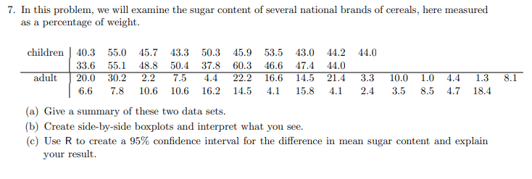

 |  | Step 5 | Sugar content |  | Step 5
 |  | Sr.no | Children | Adult | Children |  | Adult
Step 1 - Establish null & alternate hypothesis |  | 1 | 40.3 | 20
Null Hypothesis - Sugar content is same for Children and Adult |  | 2 | 55 | 30.2 | Mean | 46.789473684 | Mean | 10.168965517
Alternate Hypothesis - Sugar content is not same for Children and Adult |  | 3 | 45.7 | 2.2 | Standard Error | 1.4698509042 | Standard Error | 1.3881988849
Ho : Ua =Ub |  | 4 | 43.3 | 7.5 | Median | 45.9 | Median | 8.1
Ha : Ua not equal to Ub |  | 5 | 50.3 | 4.4 | Mode | 44 | Mode | 4.4
so we will perform 2 tailed T test |  | 6 | 45.9 | 22.2 | Standard Deviation | 6.4069315534 | Standard Deviation | 7.4756797803
Step 2: Determine test |  | 7 | 53.3 | 16.6 | Sample Variance | 41.04877193 | Sample Variance | 55.885788177
We will perform T test |  | 8 | 43 | 14.5 | Kurtosis | 0.28910457403 | Kurtosis | 0.16074118667
Step 3 : Signficance level |  | 9 | 44.2 | 21.4 | Skewness | 0.12143339568 | Skewness | 0.86121726012
As confidence level is 95% therefore significance level id 5% i.e 0.05 |  | 10 | 44 | 3.3 | Range | 26.7 | Range | 29.2
 |  | 11 | 33.6 | 10 | Minimum | 33.6 | Minimum | 1
Since it is 2 tailed test 0.05/2 = 0.025 |  | 12 | 55.1 | 1 | Maximum | 60.3 | Maximum | 30.2
 |  | 13 | 48.8 | 4.4 | Sum | 889 | Sum | 294.9
 |  | 14 | 50.4 | 1.3 | Count | 19 | Count | 29
Step 4: Decision Rule |  | 15 | 37.8 | 8.1
if t-critical < t- test , than we reject null hypothesis |  | 16 | 60.3 | 6.6
for p- value |  | 17 | 46.6 | 7.8 | t-Test: Two-Sample Assuming Unequal Variances
P- Value < significance value , than we reject null hypothesis |  | 18 | 47.4 | 10.6
 |  | 19 | 44 | 10.6 |  | Children | Adult
Step 5: Collecting Data |  | 20 |  | 16.2 | Mean | 46.789473684 | 10.168965517
 |  | 21 |  | 14.5 | Variance | 41.04877193 | 55.885788177
Step 6: |  | 22 |  | 4.1 | Observations | 19 | 29
df | 43 | 23 |  | 15.8 | Hypothesized Mean Difference | 0
t Stat | 18.113084443 | 24 |  | 4.1 | df | 43
P(T<=t) two-tail | 9.640323706E-22 | 25 |  | 2.4 | t Stat | 18.113084443
t Critical two-tail | 2.0166921992 | 26 |  | 3.5 | P(T<=t) one-tail | 4.820161853E-22
 |  | 27 |  | 8.5 | t Critical one-tail | 1.6810707032
Step 7 Statstical Action |  | 28 |  | 4.7 | P(T<=t) two-tail | 9.640323706E-22
 |  | 29 |  | 18.4 | t Critical two-tail | 2.0166921992
For critical value ,
T critical < t test
2.01 < 18.10
we will reject null hypothesis

for p-values
p value < significance level
0.0001 <0.05
we will reject null hypothesis

Step 8:
With all the stats as above we conclude that ssugar content in the series of brand for adults & children is not same.

 |  |  |  |  |  |  |  | t-Test: Two-Sample Assuming Unequal Variances

 |  |  |  |  |  |  |  |  | Children | Adult
 |  |  |  |  |  |  |  | Mean | 46.789473684 | 10.168965517
 |  |  |  |  |  |  |  | Variance | 41.04877193 | 55.885788177
 |  |  |  |  |  |  |  | Observations | 19 | 29
 |  |  |  |  |  |  |  | Hypothesized Mean Difference | 14.83
 |  |  |  |  |  |  |  | df | 43
 |  |  |  |  |  |  |  | t Stat | 10.777931117
 |  |  |  |  |  |  |  | P(T<=t) one-tail | 4.2310878376E-14
 |  |  |  |  |  |  |  | t Critical one-tail | 1.6810707032
 |  |  |  |  |  |  |  | P(T<=t) two-tail | 8.4621756751E-14
 |  |  |  |  |  |  |  | t Critical two-tail | 2.0166921992

